Sheet1
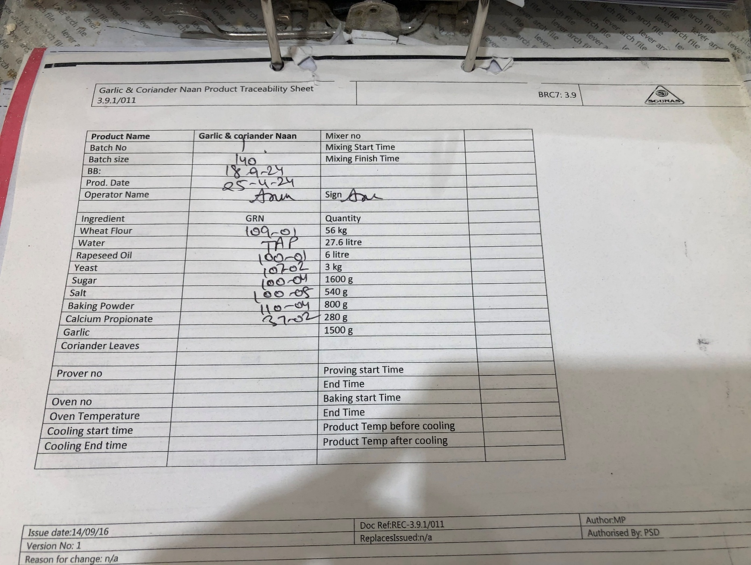

Recipe
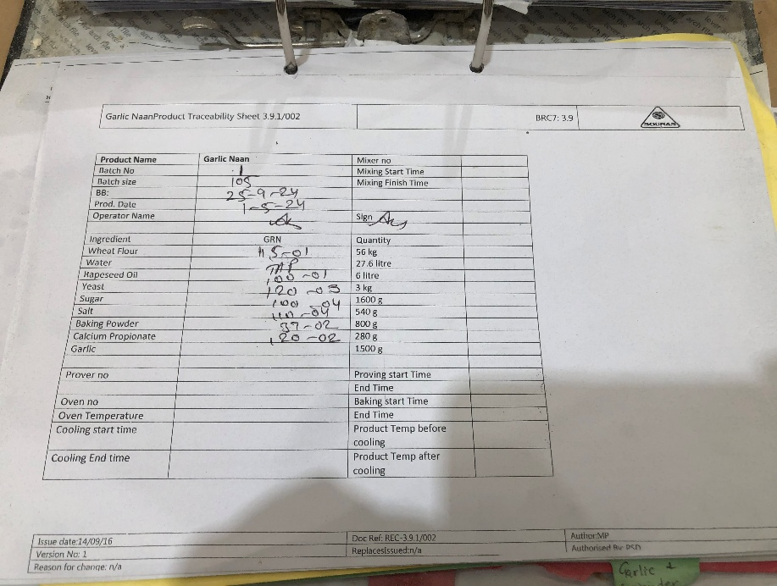
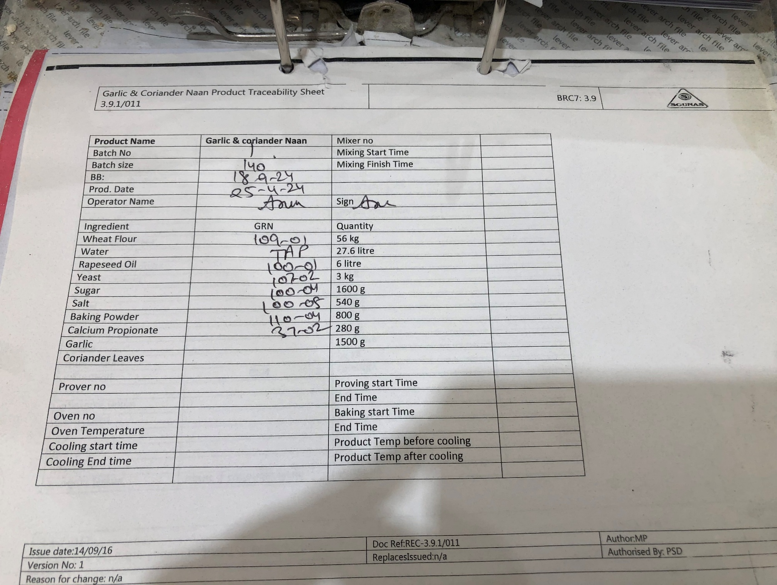
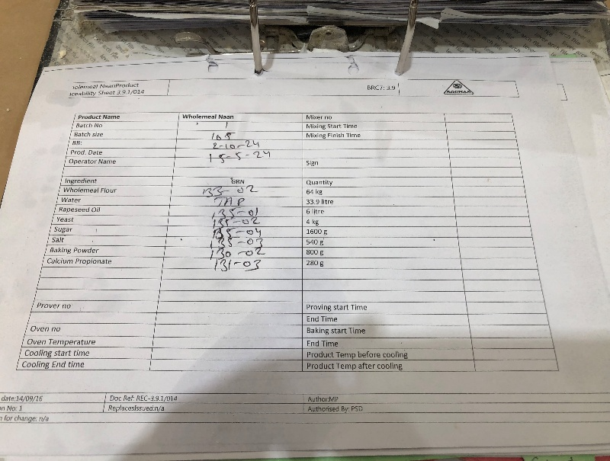
Wholemeal Naan
Ingredient |  | 1 kg
Wholemeal Flour | 64 | 1
Water | 33.9 | 0.530
Rapeseed Oil | 5.52 | 0.086
Yeast | 4 | 0.063 | 0.92
Sugar | 1.6 | 0.025 | 6
Salt | 0.54 | 0.008 | Density | Mass/ Volume
Baking Powder | 0.8 | 0.013 | 0.92
Calcium Propionate | 0.28 | 0.004

Naan Tandoori
Ingredient |  | 1 kg
Wheat Flour | 56 | 1
Water | 27.6 | 0.493
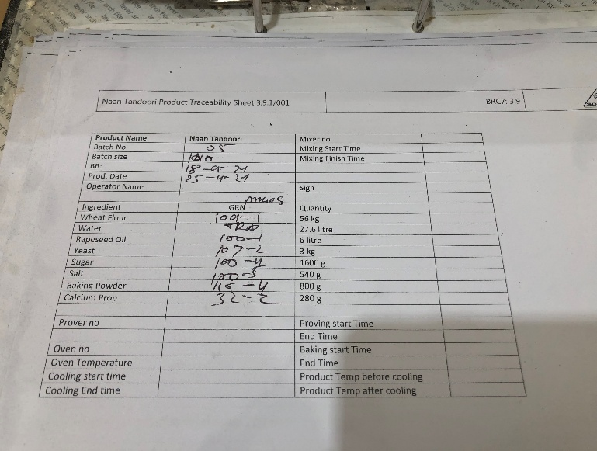
Rapeseed Oil | 5.52 | 0.099
Yeast | 3 | 0.054
Sugar | 1.6 | 0.029
Salt | 0.54 | 0.010
Baking Powder | 0.8 | 0.014
Calcium Propionate | 0.28 | 0.005

Super Naan
Ingredient |  | 1 kg
Wheat Flour | 56 | 1
Water | 27.6 | 0.49
Rapeseed Oil | 5.52 | 0.10
Yeast | 3 | 0.05
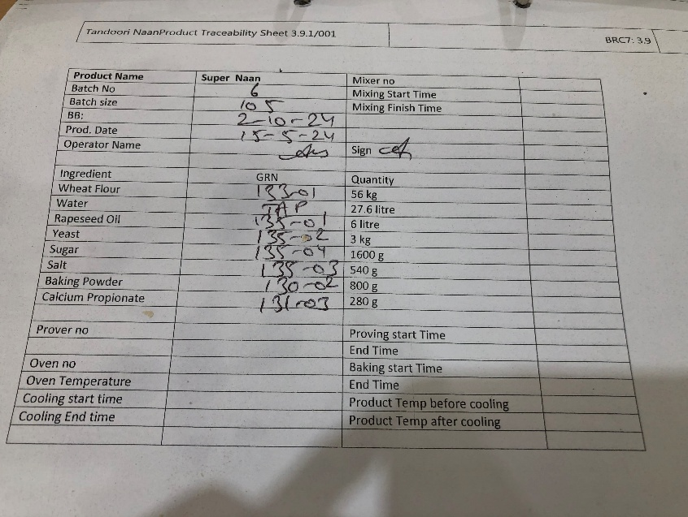
Sugar | 1.6 | 0.03
Salt | 0.54 | 0.01
Baking Powder | 0.8 | 0.01
Calcium Propionate | 0.28 | 0.005

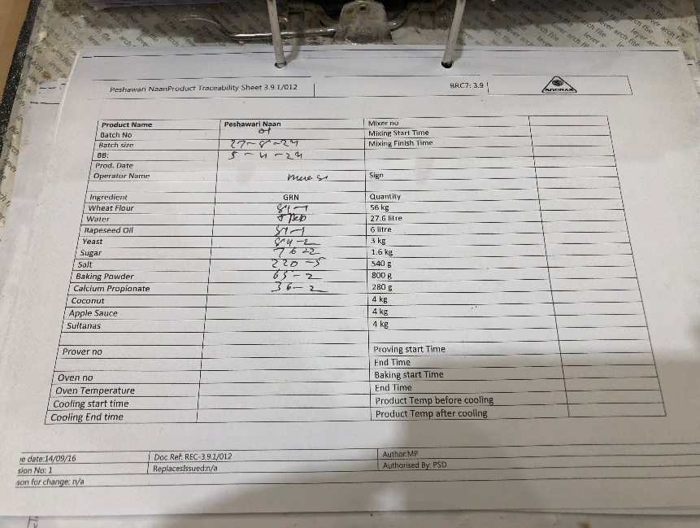
Peshawari Naan
Ingredient |  | 1 kg
Wheat Flour | 56 | 1
Water | 27.6 | 0.493
Rapeseed Oil | 5.52 | 0.099
Yeast | 3 | 0.054
Sugar | 1.6 | 0.029
Salt | 0.54 | 0.010
Baking Powder | 0.8 | 0.014
Calcium Propionate | 0.28 | 0.005
Coconut | 4 | 0.071
Apple Sauce | 4 | 0.071
Sultanas | 4 | 0.071

Garlic Naan
Ingredient |  | 1 kg
Wheat Flour | 56 | 1
Water | 27.6 | 0.49
Rapeseed Oil | 5.52 | 0.10
Yeast | 3 | 0.05
Sugar | 1.6 | 0.03
Salt | 0.54 | 0.01
Baking Powder | 0.8 | 0.01
Calcium Propionate | 0.28 | 0.005
Garlic | 1.5 | 0.027

